PLAN
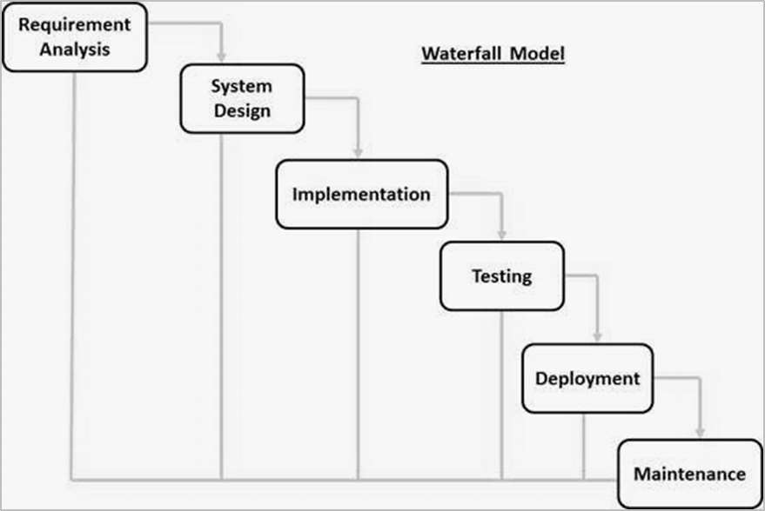
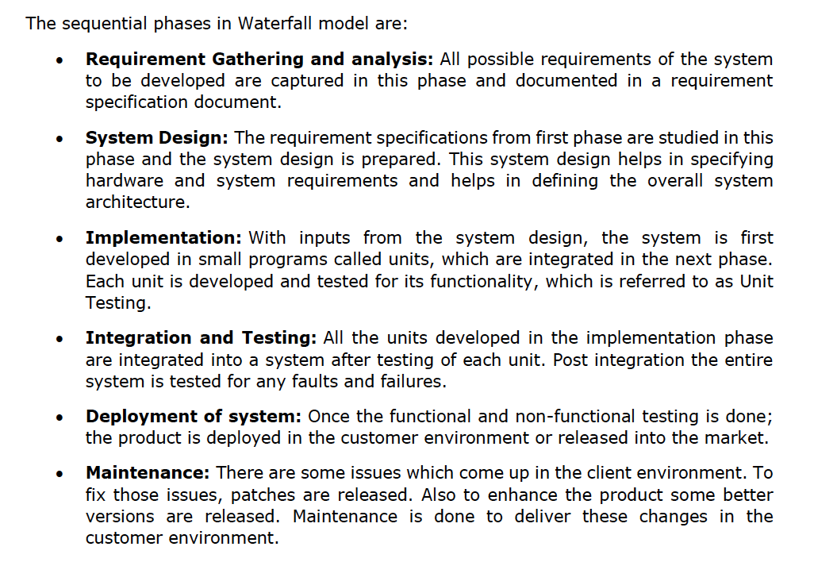
TEAM MEETINGS PLAN |  |  |  |  |  |  |  |  | ENTITIES LIST

DATE |  | TIME |  | TOPIC OF DISCUSSION |  |  |  |  | ID | NAME

2024-10-02 |  | 11:00 - 12:00 |  | Planning the week 3 tasks and its time estimation for conclusion, according to the workflow proposed by the Waterfall life cycle model |  |  |  |  | 1 | Customer Profile - Fernando
2024-10-03 |  | 13:00 - 13:30 |  | Review Planning and Estimation Time of the tasks for next week |  |  |  |  | 2 | Delivery Person - Fernando
 |  |  |  |  |  |  |  |  | 3 | Order Book - Patrick
 |  |  |  |  |  |  |  |  | 4 | Delivery Docket (Persona Newsagent) - Patrick
 |  |  |  |  |  |  |  |  | 5 | Monthly invoice - Kasandra
 |  |  |  |  |  |  |  |  | 6 | Publication - Khai
 |  |  |  |  |  |  |  |  | 7 | Delivery Area - Khai
 |  |  |  |  |  |  |  |  | 8 | Warning Letter - Kasandra
 |  |  |  |  |  |  |  |  | 9 | Daily Summary Report - Whole Team
 |  |  |  |  |  |  |  |  | 10 | Delivery Docket (Persona Delivery Person) - Whole Team

 |  |  |  |  |  |  | TEAM WORKFLOW PLAN
WEEK | MONDAY |  | THURSDAY |  | FRIDAY | ESTIMATE TIME | TASK |  |  |  | ENTITIES ID | MEMBER | STATUS | GENERAL NOTES

 | START DATE |  | REVIEW DATE |  | DELIVERY DATE | HOURS/DAYS

1 | 2024-09-23 |  | 2024-09-26 |  | 2024-09-27 | - | User Story and Acceptance Criteria - Entities 9, 10 , 11 |  |  |  | 9, 10 , 11 | Kasandra | OK | -
 |  |  |  |  |  | - | User Story and Acceptance Criteria - Entities 6, 7, 8 |  |  |  | 6, 7, 8 | Kai | OK | -
 |  |  |  |  |  | - | User Story and Acceptance Criteria - Entities 3, 4, 5 |  |  |  | 3, 4, 5 | Patrick | OK | -
 |  |  |  |  |  | - | User Story and Acceptance Criteria - Entities 1, 2, 12(Delivery Person) |  |  |  | 1, 2, 12(Delivery Person) | Fernando | OK | -
 |  |  |  |  |  | - | Organize ourselves as a team and separate Entities for each team member to make User Story and Accepatance Criteria |  |  |  | - | Team | OK | -

2 | 2024-09-30 |  | 2024-10-03 |  | 2024-10-04 | - | Update the document in the project's shared folder with the new notes taken during the class. |  |  |  | - | Kasandra | OK | -
 |  |  |  |  |  | - | Finish User Story and Acceptance Criteria - Entities 6, 7, 8 |  |  |  | - | Kai |  | -
 |  |  |  |  |  | - | Setting GitHub Repository for the Team |  |  |  | - | Patrick | OK | -
 |  |  |  |  |  | - | Prepare the Structure for Planning Workflow records and control |  |  |  | - | Fernando | OK | -
 |  |  |  |  |  | - | Week 3 Estimation of the time for each task to be concluded separating them by Entities UML Diagram |  |  |  | - | Team | OK | Smatdraw UML Class Diagram Tool Option

3 | 2024-10-07 |  | 2024-10-10 |  | 2024-10-11 | 2 hours (1 per Entity) | UML for the two entities you are responsable for |  |  |  | 5, 8 | Kasandra
 |  |  |  |  |  | 2 hours (1 per Entity) | UML for the two entities you are responsable for |  |  |  | 6, 7 | Kai
 |  |  |  |  |  | 2 hours (1 per Entity) | UML for the two entities you are responsable for |  |  |  | 3, 4 | Patrick
 |  |  |  |  |  | 2 hours (1 per Entity) | UML for the two entities you are responsable for |  |  |  | 1, 2 | Fernando
 |  |  |  |  |  | 2 hours (1 per Entity) | UML for the two entities you are responsable for |  |  |  | 9, 10 | Team

4 | 2024-10-14 |  | 2024-10-17 |  | 2024-10-18 |  |  |  |  |  | 5, 8 | Kasandra
 |  |  |  |  |  |  |  |  |  |  | 6, 7 | Kai
 |  |  |  |  |  |  |  |  |  |  | 3, 4 | Patrick
 |  |  |  |  |  |  |  |  |  |  | 1, 2 | Fernando
 |  |  |  |  |  |  |  |  |  |  | 9, 10 | Team

5 | 2024-10-21 |  | 2024-10-24 |  | 2024-10-25 |  |  |  |  |  | 5, 8 | Kasandra
 |  |  |  |  |  |  |  |  |  |  | 6, 7 | Kai
 |  |  |  |  |  |  |  |  |  |  | 3, 4 | Patrick
 |  |  |  |  |  |  |  |  |  |  | 1, 2 | Fernando
 |  |  |  |  |  |  |  |  |  |  | 9, 10 | Team

6 | 2024-10-28 |  | 2024-10-31 |  | 2024-11-01 |  |  |  |  |  | 5, 8 | Kasandra
 |  |  |  |  |  |  |  |  |  |  | 6, 7 | Kai
 |  |  |  |  |  |  |  |  |  |  | 3, 4 | Patrick
 |  |  |  |  |  |  |  |  |  |  | 1, 2 | Fernando
 |  |  |  |  |  |  |  |  |  |  | 9, 10 | Team

7 | 2024-11-04 |  | 2024-11-07 |  | 2024-11-08 |  |  |  |  |  | 5, 8 | Kasandra
 |  |  |  |  |  |  |  |  |  |  | 6, 7 | Kai
 |  |  |  |  |  |  |  |  |  |  | 3, 4 | Patrick
 |  |  |  |  |  |  |  |  |  |  | 1, 2 | Fernando
 |  |  |  |  |  |  |  |  |  |  | 9, 10 | Team

8 | 2024-11-11 |  | 2024-11-14 |  | 2024-11-15 |  |  |  |  |  | 5, 8 | Kasandra
 |  |  |  |  |  |  |  |  |  |  | 6, 7 | Kai
 |  |  |  |  |  |  |  |  |  |  | 3, 4 | Patrick
 |  |  |  |  |  |  |  |  |  |  | 1, 2 | Fernando
 |  |  |  |  |  |  |  |  |  |  | 9, 10 | Team

9 | 2024-11-18 |  | 2024-11-21 |  | 2024-11-22 |  |  |  |  |  | 5, 8 | Kasandra
 |  |  |  |  |  |  |  |  |  |  | 6, 7 | Kai
 |  |  |  |  |  |  |  |  |  |  | 3, 4 | Patrick
 |  |  |  |  |  |  |  |  |  |  | 1, 2 | Fernando
 |  |  |  |  |  |  |  |  |  |  | 9, 10 | Team

10 | 2024-11-25 |  | 2024-11-28 |  | 2024-11-29 |  |  |  |  |  | 5, 8 | Kasandra
 |  |  |  |  |  |  |  |  |  |  | 6, 7 | Kai
 |  |  |  |  |  |  |  |  |  |  | 3, 4 | Patrick
 |  |  |  |  |  |  |  |  |  |  | 1, 2 | Fernando
 |  |  |  |  |  |  |  |  |  |  | 9, 10 | Team

11 | 2024-12-02 |  | 2024-12-05 |  | 2024-12-06 |  |  |  |  |  | 5, 8 | Kasandra
 |  |  |  |  |  |  |  |  |  |  | 6, 7 | Kai
 |  |  |  |  |  |  |  |  |  |  | 3, 4 | Patrick
 |  |  |  |  |  |  |  |  |  |  | 1, 2 | Fernando
 |  |  |  |  |  |  |  |  |  |  | 9, 10 | Team

12 | 2024-12-09 |  | 2024-12-12 |  | 2024-12-13 |  |  |  |  |  | 5, 8 | Kasandra
 |  |  |  |  |  |  |  |  |  |  | 6, 7 | Kai
 |  |  |  |  |  |  |  |  |  |  | 3, 4 | Patrick
 |  |  |  |  |  |  |  |  |  |  | 1, 2 | Fernando
 |  |  |  |  |  |  |  |  |  |  | 9, 10 | Team

 |  |  |  |  |  |  |  | WATERFALL LIFE CYCLE MODEL

